Seed - Buffer
Figures' opinion: One of the historical and most popular model. Pros: flexible, offers a choice to employees, incorporate Risk layer notion. Cons: 'cliff' effect is too strong (difference between one employee to the next one).

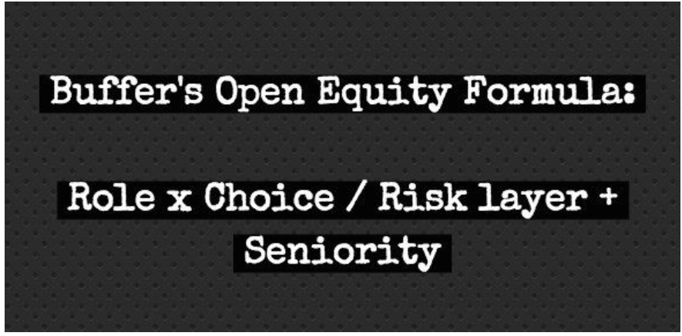

More details: | https://buffer.com/resources/buffer-open-equity-formula/

Seed - Frst model
Figures' opinion: Very solid model, with risk concept, seniority impact (through salary). Slightly complex to explain to employee but solid.

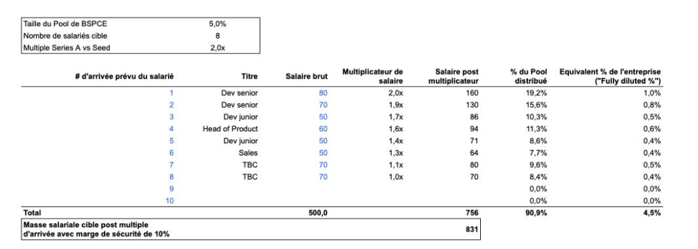

https://medium.com/frstvc/combien-de-bspce-donner-en-seed-et-comment-lexpliquer-aux-salari%C3%A9s-425eb3656240#:~:text=5%25%20de%20l'entreprise%20%C3%A0,possible%20mais%20pas%20la%20meilleure).

Seed - rewarding Talent
Figures' opinion: Very easy model, simple enough (too simple maybe for some). Difference between Tech and non Tech maybe too large.

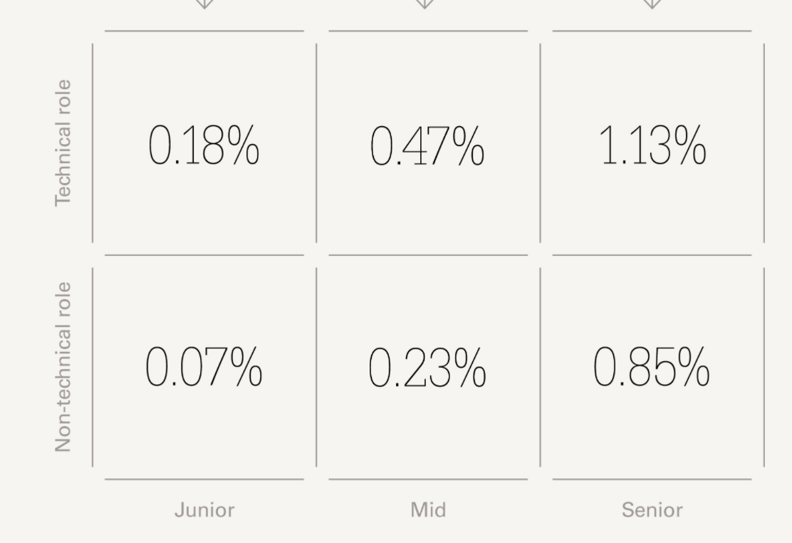

% of base salary in equity amount
https://www.indexventures.com/rewardingtalent/calculating-initial-grants-at-seed

Series A - Rewarding Talent
Figures' opinion: Solid model, understandable by candidates, scale well, maybe too complex (those 3 job families might add unnessecary complexity however it's interesting to wonder about each role's impact

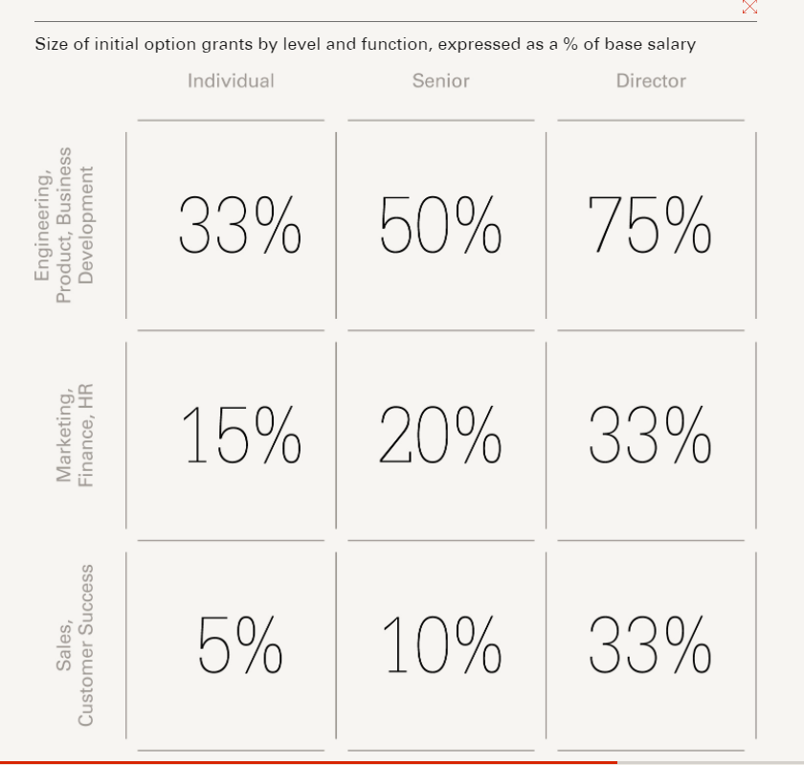

https://www.indexventures.com/rewardingtalent/calculating-initial-grants-at-series-a

